Script
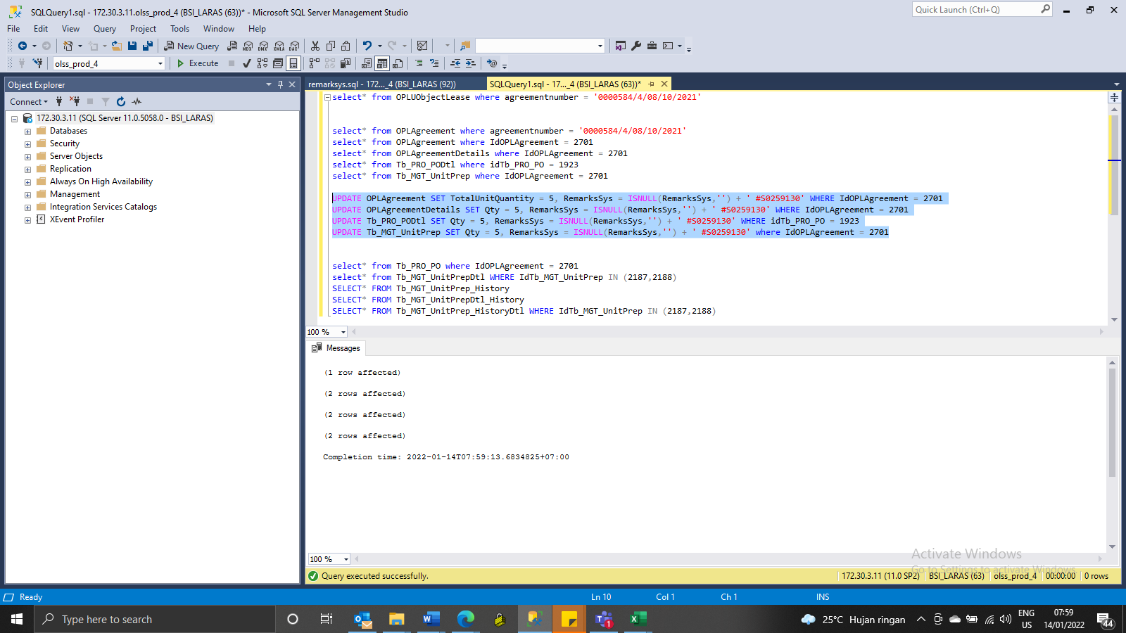
UPDATE OPLAgreement SET TotalUnitQuantity = 5, RemarksSys = ISNULL(RemarksSys,'') + ' #S0259130' WHERE IdOPLAgreement = 2701
UPDATE OPLAgreementDetails SET Qty = 5, RemarksSys = ISNULL(RemarksSys,'') + ' #S0259130' WHERE IdOPLAgreement = 2701
UPDATE Tb_PRO_PODtl SET Qty = 5, RemarksSys = ISNULL(RemarksSys,'') + ' #S0259130' WHERE idTb_PRO_PO = 1923
UPDATE Tb_MGT_UnitPrep SET Qty = 5, RemarksSys = ISNULL(RemarksSys,'') + ' #S0259130' where IdOPLAgreement = 2701

SS
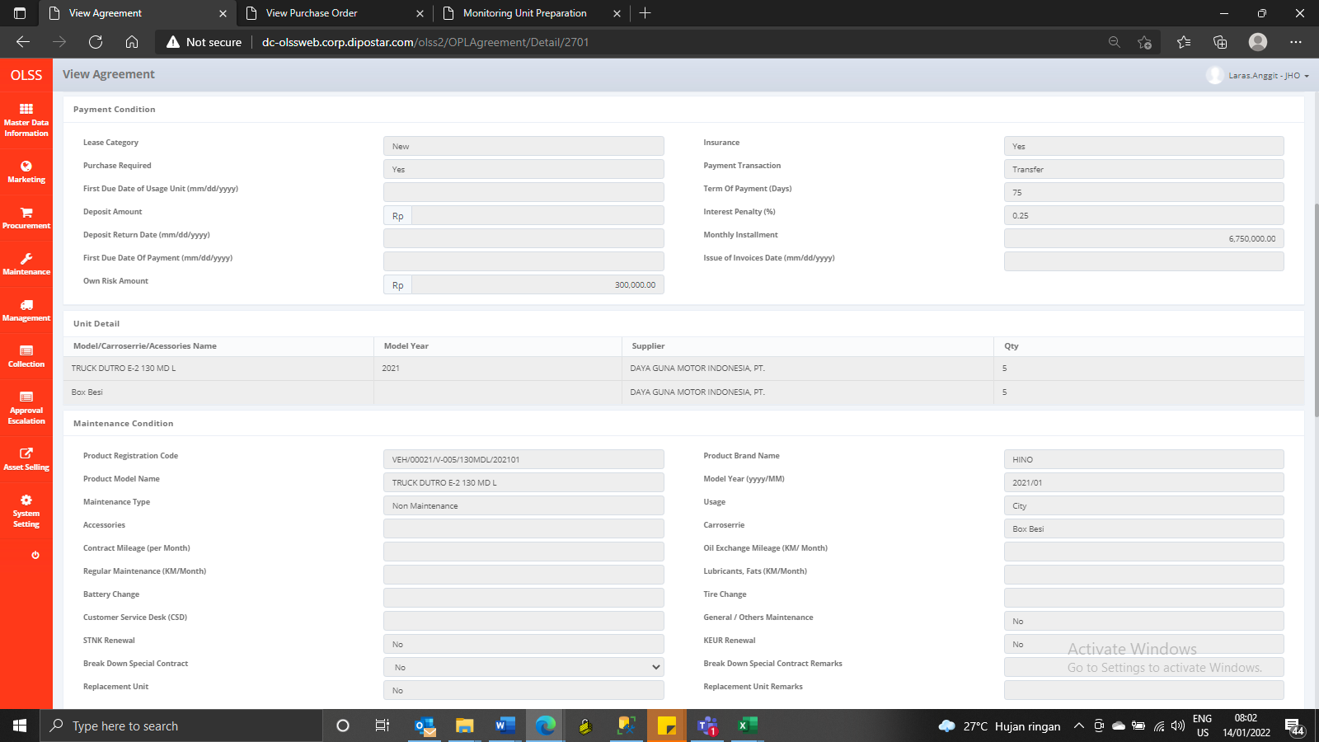
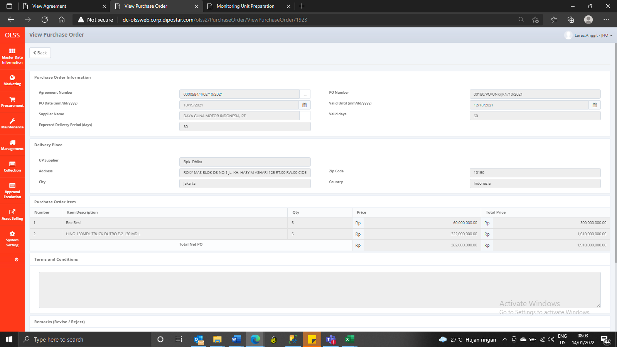
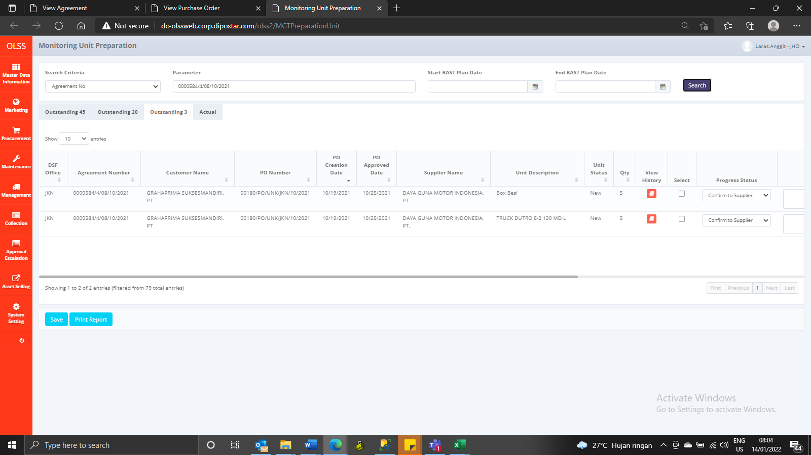
BEFORE

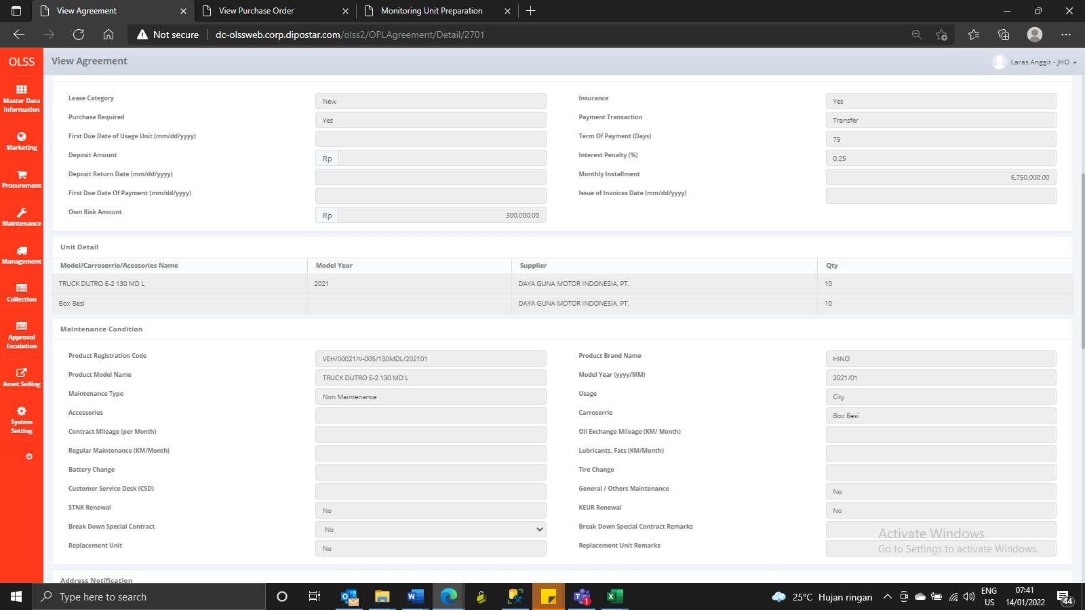
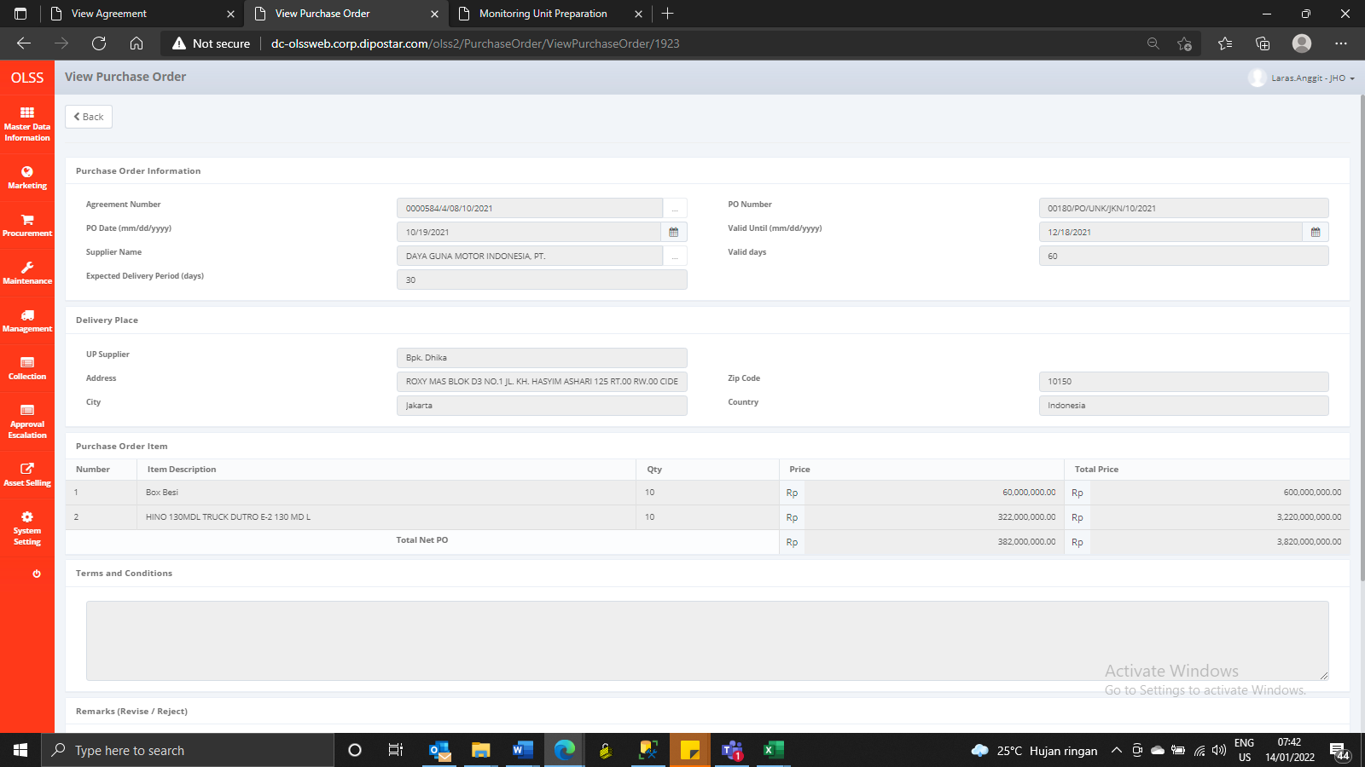
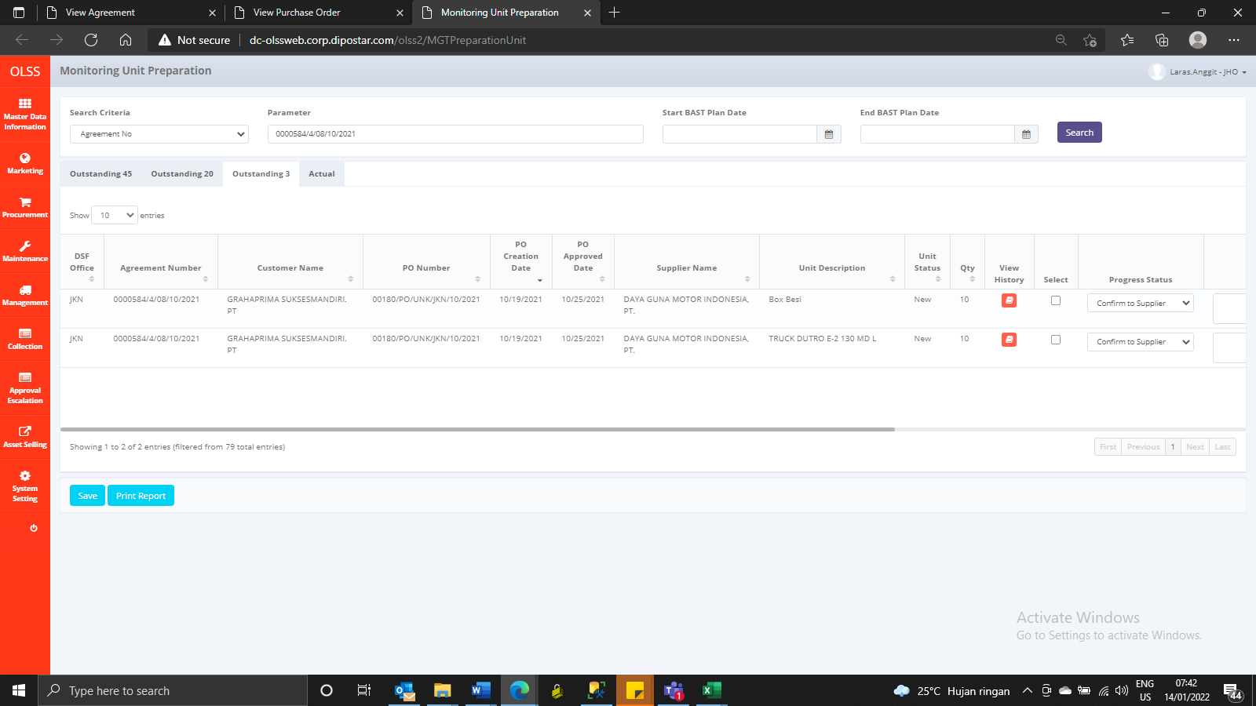

AFTER

